PO
 |  |  |  | PURCHASE ORDER
 |  |  | Date: | 2018-01-30
 |  |  | Reference: | SQ432
 |  |  | Payment Terms: | 100% Cash Advance
 |  |  | Shipment Mode: | By Sea
 |  |  | Shipment Terms: | Ex Factory

EXPORTER:

Representative of the Importer: |  | SHIP TO:
Berivan General Trading LLC

S.R No. | Description | Qty. | Unit | Unit Price | Amount
1

Amount in Words: |  |  |  | Sub-Total | AED -
 |  |  |  | Others | AED -
 |  |  |  | Total Amount | AED -
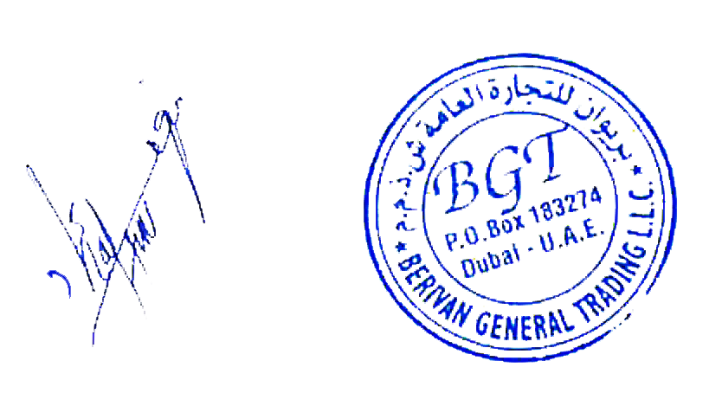
Packing : In Container
Origin: China
Loading Port : Port of Beijing, China
Discharge Port: Port of Istanbul, Turkey

Prepared By : _______________________________________________________

Kindly sign and stamp to accept : ________________________________________

